Central Tendency (2)
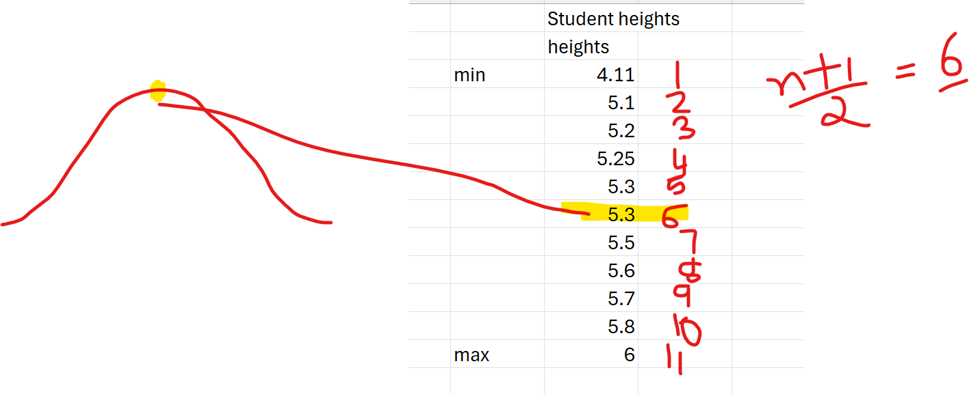
 | Student heights
 | heights |  |  |  | min | 4.08
min | 4.11 |  |  |  |  | 4.11
 | 5.1 |  |  |  |  | 5.1
 | 5.2 |  |  |  |  | 5.2
 | 5.25 |  |  |  |  | 5.25
 | 5.3 |  |  |  |  | 5.3
 | 5.3 |  |  |  |  | 5.3
 | 5.5 |  |  |  |  | 5.5
 | 5.6 |  |  |  |  | 5.6
 | 5.7 |  |  |  |  | 5.7
 | 5.8 |  |  |  |  | 5.8
 | 6 |  |  |  |  | 6
max | 7 |  |  |  | max | 7.5
median | 5.3 | =MEDIAN(B6:B16)
mean |  | 5.4883333333 | =AVERAGE(B6:B17) |  | range | 3.42
mode | 5.3 | =MODE.SNGL(B6:B16)

 |  | Outliers |  | Extremely Rarely occuring events which impact mean of the data

